1. Title Page
Instacart Data Analysis

Project Name: Instacart Data Analysis
Date: 24/01/2025
Analyst Name: Kristina Petrevska

Contents:
Population Flow
Consistency checks
Wrangling steps
Column derivations
Visualizations
Recommendations

2. Population Flow
 |  |  | Title page

Population flow

Exclusion flag
Condition: max_order < 5
Obervations to be removed: 1.444.295
Final total count of order_products_all: 30.964.564

Orders_products_combined
Orders_products_merged
Orders_products_all

Total:
Total:
Total:
32.434.489 | 32.404.859 | 32.404.859

1.) The grey boxes in the first row of the population flow represent the original data sets as they were when you downloaded them. In the Total fields you need to add the count of the rows when you imported the data set into Jupyter.
2.) The second row of boxes (coloured) represents the data sets after you manipulated them, e.g., removed missing values and duplicates. In the Total fields you need to add the count of the rows after conducting these operations. This offers a visual oveview of how the data flows throughout the data consistency checks.
3.) The third row, where also the arrows are coloured, represents the merges you performed between the datasets. In the Total fields you need to add the count of the rows in the merged datasets, so that you end up with the final dataset (in the red box). Keep in mind the final dataset should be without exclusions (based on the exclusion flag).

3. Consistency checks
 |  |  |  | Title page
Consistency checks

Dataset | Missing values | Missing values treatment | Duplicates
orders | 206,209 in the 'days_since_prior_order' column | Flagged as first_order | No duplicates
products | 16 missing 'product_name' | Deleted rows missing data | 5 duplicates, deleted
orders_products_prior | None | None | No duplicates
customers | None | None | No duplicates

4. Wrangling steps
 |  |  |  | Title page
Wrangling steps

Columns dropped | Columns renamed | Columns' type changed | Comment/Reason
Unnamed : 0
_merged
eval_set
 | order_dow = orders_day_of_week |  | Clarity
 | Surnam = Last Name |  | Clarity
 | STATE = State |  | Clarity
 | date_joined = Date Joined |  | Clarity
 | n_dependants = Number of Dependants |  | Clarity
 | fam_status = Family Status |  | Clarity
 | income = Income |  | Clarity

5. Column derivations
 |  |  |  | Title page

Column derivations and aggregations

In this tab you should add tables below that the frequences of flags/label variables that you produced after deriving them. NB: don't do this for continuous variables, only for flags.
Dataset | New column | Column/s it was derived from | Conditions
orders | first_order | days_since_prior_order' | NaN
ords_prods_merge | price_range | prices | if prices <= 5 then 'low-range product' if prices >5 & <= 15 then 'mid-range product' if prices > 15 then 'high-range product' else 'not enough data'
ords_prods_merge | busiest_day | orders_day_of_week | if value == 0 then 'busiest day' if value == 4 then 'least busy' else 'regularly busy'
ords_prods_merge | busiest_days | orders_day_of_week | if value == 0 or 1 then 'busiest days' if value == 3 or 4 then 'slowest days' else 'regularly busy'
ords_prods_merge | busiest_period_of_day | hour_of_day | if value == 10 or 11 then 'most orders' if value == 3 or 4 then 'fewest orders' else 'average orders'
ords_prods_merge | loyalty_flag | max_order | if value > 40 then 'loyal customer' if value <= 40 & > 10 then 'regular customer' if value < 10 then 'new customer'
ords_prods_merge | mean_spend | prices | average price per customer
ords_prods_merge | spender_flag | mean_spend | if value > 10 then 'low spender' if value >= 10 then 'high customer'
ords_prods_merge | customer_frequency | days_since_prior_order | if value < 20 then 'non_frequent_customer' if value <= 20 & > 10 then 'regular customer' if value > 10 then 'frequent customer'
orders_products_customers | region | state | State defined into regions according to this List of regions of the United States
orders_products_customers | activity_flag | max_order | if value < 5 then 'low-activity customer' if value >= 5 then 'high-activity customer'
low_activity_excluded | income_group | income | if value > 150000 then 'high income' if value >= 55000 & < 150000 then 'middle income' if value < 55000 then 'low income'
low_activity_excluded | age_group | age | if value > 64 then 'senior' if value > 44 & <= 64 then 'middle-aged' if value > 25 & <= 44 then 'adult' if value <= 25 then 'young adult'
low_activity_excluded | dependants_flag | n_dependants | if value == 0 then 'no dependants' if value >= 1 then 'has dependants'

6. Visualizations
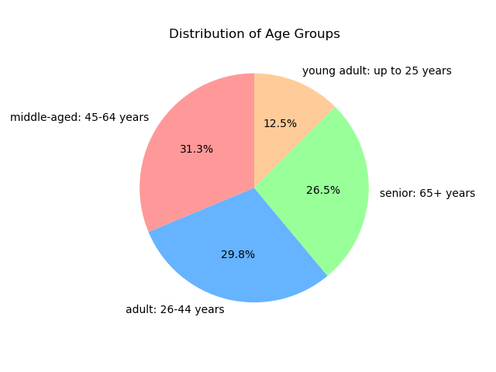
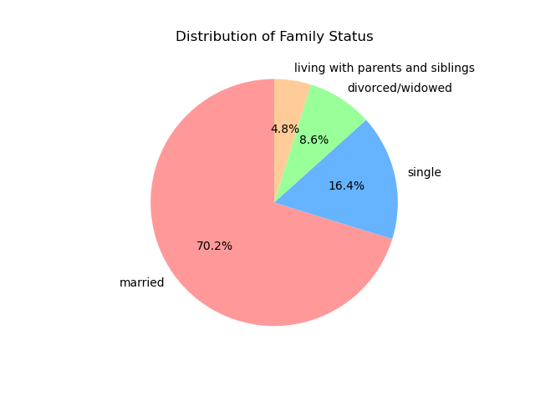
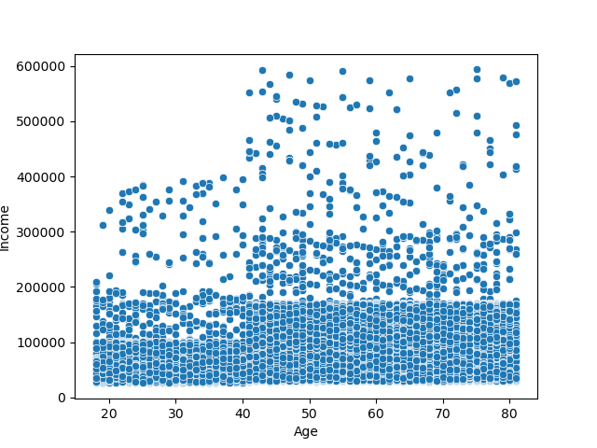
 | Title page

Visualisations

In this tab you should include all the visualtions from Exercises 4.9 and 4.10, alongside the questions from the project brief that they answer. Include any commentary on the relationship between different variables.

Question
What are the busiest days of the week and hours of the day?

Commentary
Saturday and Sunday are the busiest day of the week. Tuesday and Wednesday are the least bust days of the week.
Most orders are between 9am and 4pm with a peak at 10am to 11am

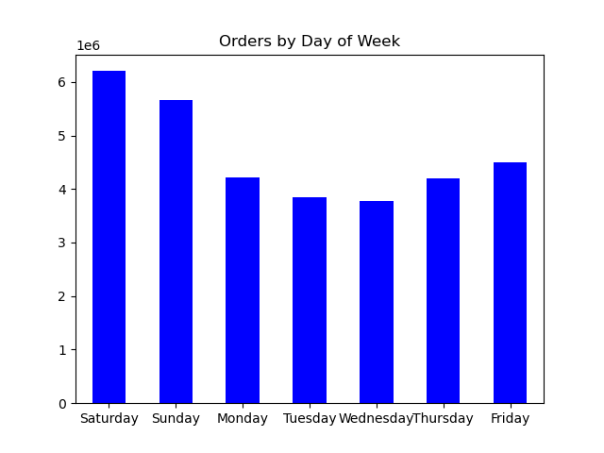


Question
Are there particular times of day when people spend the most money?

Commentary
Sales are higher in the morning, but it should be noted that this is a small variation.
Additionally, sales are higher on the weekends

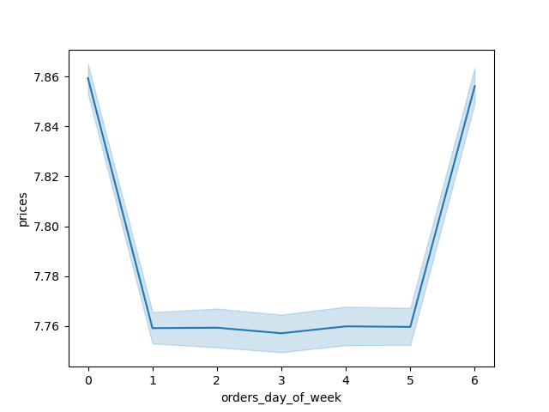
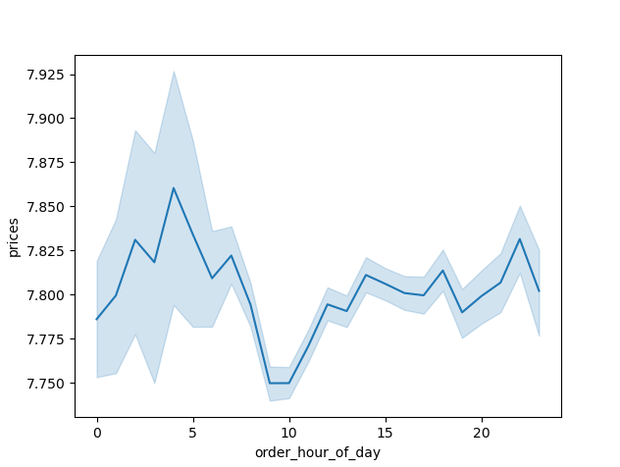

Question
Are there certain products that are more popular than others?

Commentary
Produce, Dairy/eggs, snacks, and beverages are the biggest sellers by department
This is both in an age group and a regional breakdown as well.

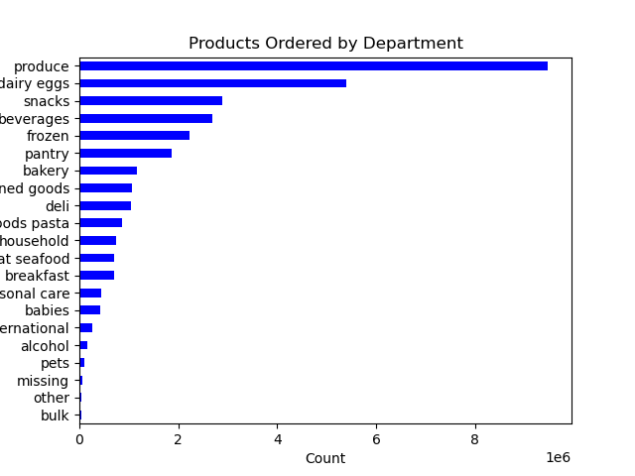

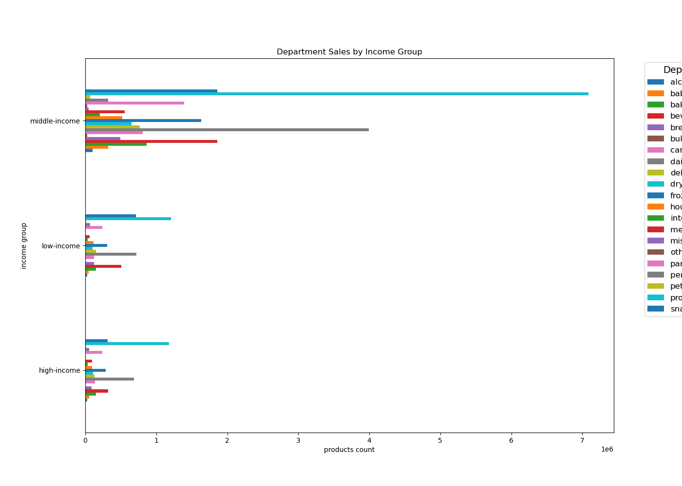

Question
What is the distribution among users as to how often they return to Instacart?

Commentary
Most customers are middle-aged and middle-income

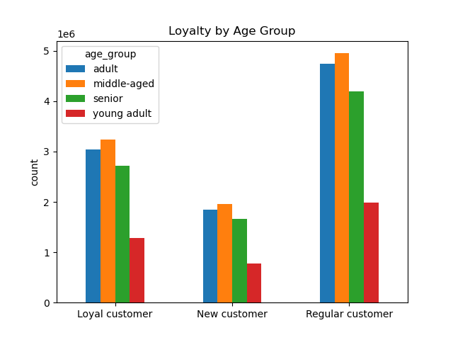

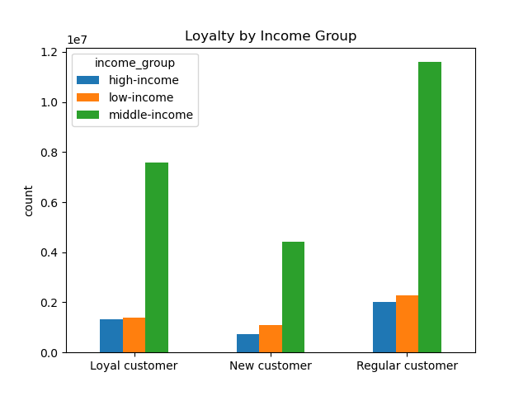

Question
Are there habits based on loyalty status?

Commentary
Most customers are considered to be low spenders

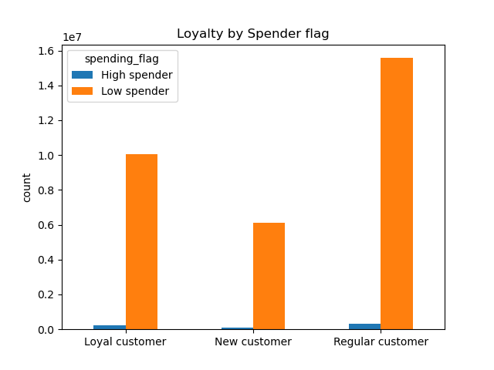

Question
Are there habits based on region?

Commentary
Customers in the South and the West have the largest sales of produce, snacks and dariy/eggs

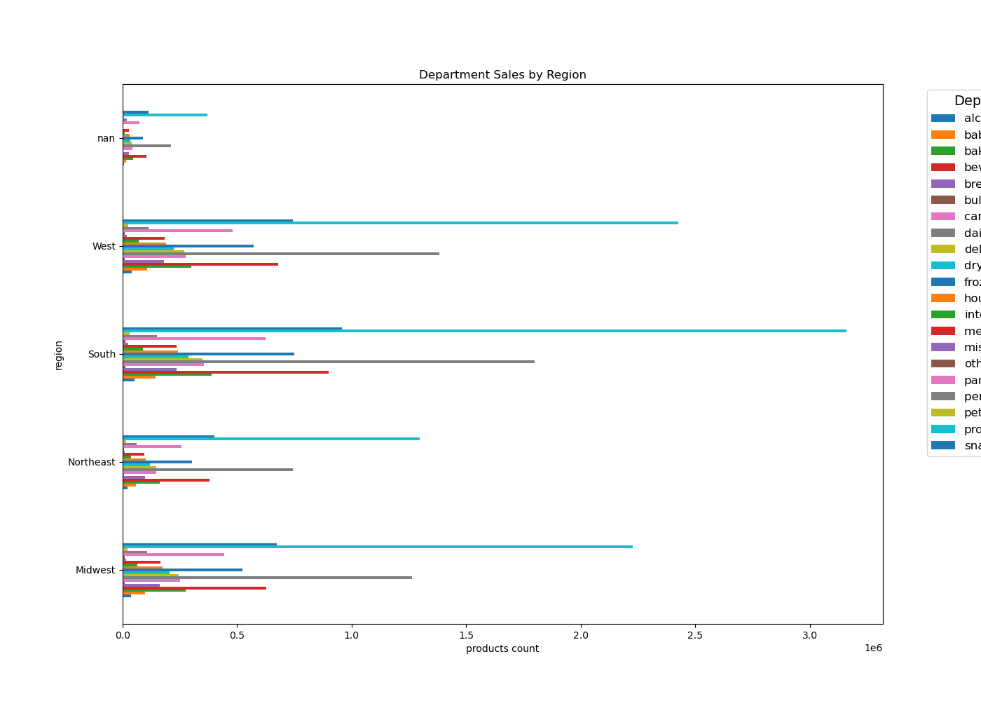

Question
Is there a connection between age and family status and ordering habits?

Commentary
Most customers are adult or middle-aged, married, and have dependants

TRUE

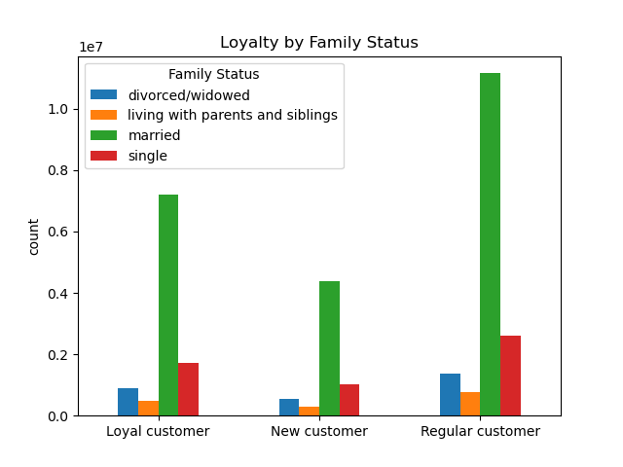

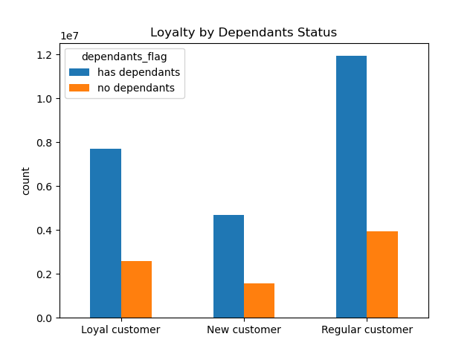

Question
What different classifications does the demographic information suggest? Age? Income? Certain types of goods? Family status??

Commentary
Most customers are adult or middle-aged, married, and have dependants. Also those in the upper income bracket tend to be over 40.

7. Recommendations
 |  |  | Title page

Recommendations

In this tab you should include any recommendations you would made to Instcart in terms of their marketing strategy based on the questions posed in the brief. Every key question has been covered in the Tasks of the Exercises - here you need to add an item - a visualisation or table/crosstable that is showing the answer in the data, acompanied by a comment from you. Please, list the questions below and add the answer underneath.

What are the busiest days of the week and hours of the day? | Saturday and Sunday see the highest order volumes, whereas Tuesday and Wednesday are the least busy. Most orders are placed between 9 AM and 4 PM, peaking from 10 AM to 11 AM. | Introduce targeted promotions or discounts during the midweek to boost sales during these slower days.
Are there particular times of day when people spend the most money? | Spending is slightly higher in the morning, especially on weekends, though the difference is minimal (approximately 10–20 cents). | No significant action is required as the variation in spending is statistically insignificant.
Are there certain products that are more popular than others? | Produce, dairy/eggs, snacks, and beverages are the top-selling categories. | Offer coupons or discounts on popular items like produce and dairy to encourage more frequent orders. Similarly, promote less popular categories like international products, alcohol, and bulk items to drive sales.
Are there differences in ordering habits based on loyalty status? | The majority of customers are low spenders. | Consider whether to prioritize high spenders or frequent shoppers. While discounts on total grocery purchases might increase spending per order, they could reduce overall frequency.
Are there differences in ordering habits based on region? | Customers in the South and West regions purchase the most produce, snacks, and dairy/eggs. | Invest in targeted advertising and promotional campaigns in regions with fewer customers to increase engagement.
What is the distribution among users as to how often they return to Instacart? Is there a connection between age and family status and ordering habits? What different classifications does the demographic information suggest? Age? Income? Certain types of goods? Family status?? | Most customers are middle-aged, married adults with dependents. Customers in higher income brackets, typically over 40 years old, also tend to shop more. | Focus on family-oriented products like dinner staples, breakfast cereals, and packable lunch items. For high-income groups, emphasize luxury products and premium offerings.
What differences can you find in ordering habits of different customer profiles? Consider the price of orders, the frequency of orders, the products customers are ordering. | The core demographic comprises middle-aged, middle-income parents who are part of larger households and tend to consume more products. | Explore expanding the customer base by addressing barriers like technological familiarity, which may limit senior participation. Additionally, incentivize families with discounts on essential products to encourage immediate purchases.

